Citing Sources
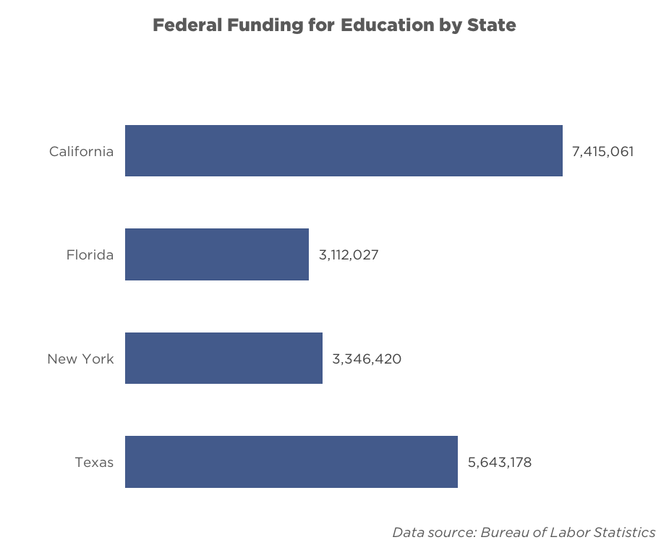

Citing your data sources
At the bottom of every graph, there's a space that says "Data source: Bureau of Labor Statistics"
You should replace "Bureau of Labor Statistics" with the source for your data!
For example, if you got data from the U.S. Census Bureau, your graph should say "Data source: U.S. Census Bureau"

Formatting your data source
Font: | Gotham Book Italic | 9 pt
Make sure this fits on one line. If it doesn't, make the text box bigger by dragging the left edge of the text box outwards
Your graph should look like this: |  |  | Not this (the data source is on 2 lines, and is cut off):

Horizontal Bar
State | 52,882,083 | US:
Federal Funding for Education by State
California | 7,415,061
Florida | 3,112,027
New York | 3,346,420
Texas | 5,643,178
Alabama | 794,090
Alaska | 309,525
Arizona | 1,102,980
Arkansas | 552,738
California | 7,415,061

Colorado | 681,230
Connecticut | 420,593
Delaware | 133,055
District of Columbia | 134,959
Florida | 3,112,027

Georgia | 1,804,212
Hawaii | 286,988
Idaho | 232,593
Illinois. | 2,301,827
Indiana | 933,891

Iowa | 455,586
Kansas. | 402,250
Kentucky | 825,742
Louisiana | 1,272,004
Maine | 182,961
 |  | World:
Federal Funding for Education by State
California | 7,415,061
Florida | 3,112,027
New York | 3,346,420
Texas | 5,643,178
Maryland | 816,033
Massachusetts | 791,029
Michigan | 1,563,397
Minnesota | 630,445
Mississippi | 664,697

Missouri | 895,743
Montana | 201,528
Nebraska | 318,176
Nevada | 381,596
New Hampshire | 161,392

New Jersey | 1,141,887
New Mexico | 466,320
New York | 3,346,420
North Carolina | 1,529,624
North Dakota | 155,894

Ohio | 1,692,769
Oklahoma | 690,122
Oregon | 521,463
Pennsylvania | 1,812,609
Rhode Island | 186,551

Federal Funding for Education by State
California | 7,415,061
Florida | 3,112,027
New York | 3,346,420
Texas | 5,643,178
South Carolina | 812,536 | Campus
South Dakota | 186,216
Tennessee | 1,095,377
Texas | 5,643,178
Utah | 385,210

Vermont | 102,434
Virginia | 1,009,659
Washington | 1,030,232
West Virginia | 351,957
Wisconsin | 830,568
Wyoming | 112,709

 |  | Covers
Federal Funding for Education by State
California | 7,415,061
Florida | 3,112,027
New York | 3,346,420
Texas | 5,643,178

 |  | Culture
Federal Funding for Education by State
California | 7,415,061
Florida | 3,112,027
New York | 3,346,420
Texas | 5,643,178

 |  | Interview
Federal Funding for Education by State
California | 7,415,061
Florida | 3,112,027
New York | 3,346,420
Texas | 5,643,178

 |  | Multimedia
Federal Funding for Education by State
California | 7,415,061
Florida | 3,112,027
New York | 3,346,420
Texas | 5,643,178

Vertical Bar
State | Funding
Wyoming | 112,709
Vermont | 102,434
North Dakota | 155,894
Alaska | 309,525

 |  | US:
Federal Funding for Education by State

 |  | World:

Federal Funding for Education by State

 |  | Campus:
Federal Funding for Education by State

 |  | Covers

Federal Funding for Education by State

 |  | Culture

Federal Funding for Education by State

 |  | Interview

Federal Funding for Education by State

 |  | Multimedia

Federal Funding for Education by State

Opposing Bar
The Dataset:

 | For | Against
All | -30 | 70
Men | -20 | 80
Women | -40 | 60

US:
Percent For or Against Something

Percent For or Against Something
World:

Campus

Percent For or Against Something

Percent For or Against Something
Covers

Percent For or Against Something
Culture

Interview
Percent For or Against Something

Multimedia

Percent For or Against Something

Line Chart
Insert data here, scroll down for generated graphs
Each trendline | X axis labels, then data below
Year | 13.3 | 14.5 | 19.1 | 18.3 | 17.5 | 19.3 | 22.6 | 25.9 | 29.2 | 34.9 | 36.9 | 26.1 | 27.6 | 32 | 30.7 | 32.7 | 36.4 | 37.6 | 35.7
Linear Fit | 12420.666667 | 12386.816667 | 12352.966667 | 12319.116667 | 12285.266667 | 12251.416667 | 12217.566667 | 12183.716667 | 12149.866667 | 12116.016667 | 12082.166667 | 12048.316667 | 12014.466667 | 11980.616667 | 11946.766667 | 11912.916667 | 11879.066667 | 11845.216667 | 11811.366667
Cambridge | 12404.891485 | 12379.323372 | 12281.312273 | 12298.357681 | 12315.40309 | 12277.050921 | 12206.738611 | 12136.426301 | 12066.11399 | 11944.665455 | 11902.051933 | 12132.164948 | 12100.204807 | 12006.455061 | 12034.153849 | 11991.540328 | 11912.705314 | 11887.137201 | 11927.620046

US Graph
The Correlation Between Endowment (Billions of Dollars) and Black Population
 | Linear Fit | Cambridge
13.3 | 12420.666667 | 12404.891485
14.5 | 12386.816667 | 12379.323372
19.1 | 12352.966667 | 12281.312273
18.3 | 12319.116667 | 12298.357681
17.5 | 12285.266667 | 12315.40309
19.3 | 12251.416667 | 12277.050921
22.6 | 12217.566667 | 12206.738611
25.9 | 12183.716667 | 12136.426301
29.2 | 12149.866667 | 12066.11399
34.9 | 12116.016667 | 11944.665455
36.9 | 12082.166667 | 11902.051933
26.1 | 12048.316667 | 12132.164948
27.6 | 12014.466667 | 12100.204807
32 | 11980.616667 | 12006.455061
30.7 | 11946.766667 | 12034.153849
32.7 | 11912.916667 | 11991.540328
36.4 | 11879.066667 | 11912.705314
37.6 | 11845.216667 | 11887.137201
35.7 | 11811.366667 | 11927.620046

World Graph
Change in Per Pupil Spending from 2009 to 2013
 | Linear Fit | Cambridge
13.3 | 12420.666667 | 12404.891485
14.5 | 12386.816667 | 12379.323372
19.1 | 12352.966667 | 12281.312273
18.3 | 12319.116667 | 12298.357681
17.5 | 12285.266667 | 12315.40309

Campus Graph
The Correlation Between Endowment (Billions of Dollars) and Black Population

Covers Graph
Change in Per Pupil Spending from 2009 to 2013
 | Linear Fit | Cambridge
13.3 | 12420.666667 | 12404.891485
14.5 | 12386.816667 | 12379.323372
19.1 | 12352.966667 | 12281.312273
18.3 | 12319.116667 | 12298.357681
17.5 | 12285.266667 | 12315.40309

Culture Graph
The Change in Population Demographics for Cambridge Since 1990
 | Linear Fit | Cambridge
13.3 | 12420.666667 | 12404.891485
14.5 | 12386.816667 | 12379.323372
19.1 | 12352.966667 | 12281.312273
18.3 | 12319.116667 | 12298.357681
17.5 | 12285.266667 | 12315.40309
19.3 | 12251.416667 | 12277.050921
22.6 | 12217.566667 | 12206.738611
25.9 | 12183.716667 | 12136.426301
29.2 | 12149.866667 | 12066.11399
34.9 | 12116.016667 | 11944.665455
36.9 | 12082.166667 | 11902.051933
26.1 | 12048.316667 | 12132.164948
27.6 | 12014.466667 | 12100.204807
32 | 11980.616667 | 12006.455061
30.7 | 11946.766667 | 12034.153849
32.7 | 11912.916667 | 11991.540328
36.4 | 11879.066667 | 11912.705314
37.6 | 11845.216667 | 11887.137201
35.7 | 11811.366667 | 11927.620046

Interviews Graph
Change in Per Pupil Spending from 2009 to 2013
 | Linear Fit | Cambridge
13.3 | 12420.666667 | 12404.891485
14.5 | 12386.816667 | 12379.323372
19.1 | 12352.966667 | 12281.312273
18.3 | 12319.116667 | 12298.357681
17.5 | 12285.266667 | 12315.40309

Media Graph
Change in Per Pupil Spending from 2009 to 2013
 | Linear Fit | Cambridge
Year | 12420.666667 | 12404.891485
13.3 | 12386.816667 | 12379.323372
14.5 | 12352.966667 | 12281.312273
19.1 | 12319.116667 | 12298.357681
18.3 | 12285.266667 | 12315.40309
17.5

Scatterplot
Impact of Race On Funding Percentage
State | Percent White | Percent Black | Percent Hispanic
Alabama | 58.11 | 34.18 | 4.66 | US:
Alaska | 50.85 | 3.61 | 6.21
Arizona | 42.12 | 5.37 | 42.82
Arkansas | 64.35 | 21.20 | 10.25
California | 26.04 | 6.51 | 52.13
Colorado | 56.11 | 4.79 | 31.90
Connecticut | 60.87 | 13.01 | 19.51
Delaware | 49.54 | 31.64 | 13.06
District of columbia | 7.70 | 76.42 | 13.14
Florida | 42.42 | 22.95 | 28.59
Georgia | 44.11 | 37.01 | 12.18
Hawaii | 14.27 | 2.40 | 6.44
Idaho | 78.04 | 1.02 | 16.25
Illinois | 50.82 | 18.05 | 23.70
Indiana | 72.46 | 12.20 | 8.96
Iowa | 80.69 | 5.10 | 8.91
Kansas | 67.38 | 7.32 | 17.17
Kentucky | 81.15 | 10.76 | 4.32
Louisiana | 47.45 | 45.06 | 4.02
Maine | 91.79 | 2.96 | 1.63
Maryland | 42.48 | 35.36 | 12.13
Massachusetts | 67.04 | 8.29 | 16.08 | World:
Impact of Race On Funding Percentage
Michigan | 69.18 | 18.82 | 6.20
Minnesota | 73.00 | 9.20 | 7.39
Mississippi | 46.01 | 49.62 | 2.57
Missouri | 74.22 | 16.77 | 4.86
Montana | 80.92 | 1.01 | 3.69
Nebraska | 70.17 | 6.72 | 16.40
Nevada | 37.45 | 9.63 | 39.61
New Hampshire | 89.11 | 1.93 | 3.87
New Jersey | 51.12 | 16.24 | 22.49
New Mexico | 25.91 | 2.02 | 59.45
New York | 48.23 | 18.49 | 23.33
North Carolina | 52.40 | 26.36 | 13.50
North Dakota | 83.20 | 2.61 | 2.85
Ohio | 73.72 | 16.21 | 3.80
Oklahoma | 53.67 | 9.78 | 13.14
Oregon | 65.34 | 2.53 | 21.08
Pennsylvania | 70.63 | 15.33 | 8.67
Rhode Island | 63.98 | 8.12 | 21.57
South Carolina | 53.21 | 35.64 | 6.69
South Dakota | 78.44 | 2.65 | 3.90
Tennessee | 67.08 | 23.34 | 6.63
Texas | 30.55 | 12.81 | 50.83 | Campus:
Impact of Race On Funding Percentage
Utah | 77.47 | 1.33 | 15.32
Vermont | 92.46 | 1.93 | 1.40
Virginia | 53.53 | 23.76 | 11.87
Washington | 60.25 | 4.56 | 19.61
West Virginia | 91.72 | 5.04 | 1.19
Wisconsin | 73.72 | 9.81 | 9.71
Wyoming | 80.49 | 1.09 | 12.57

 |  |  |  | Covers

Impact of Race On Funding Percentage

 |  |  |  | Culture

Impact of Race On Funding Percentage

 |  |  |  | Interviews:

Impact of Race On Funding Percentage

 |  |  |  | Multimedia
Impact of Race On Funding Percentage

Pie Chart
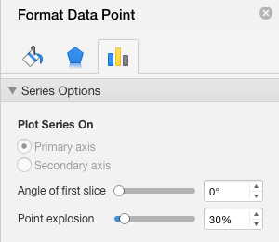
Insert data here, scroll down for generated graphs
Pie section | Percentage | To break out a section, double click on that section, then set point explosion to 30%. An example for US is shown below
Race | % of Students
Harvard | 0.28%
Boston | 99.72%

US Graph
 | % of Students
Harvard | 0.28%
Boston | 99.72%
Race of MA Public School Students
 | % of Students
Harvard | 0.28%
Boston | 99.72%

World Graph
Race of MA Public School Students
 | % of Students
Harvard | 0.28%
Boston | 99.72%

Campus Graph
 | % of Students
Harvard | 0.28%
Boston | 99.72%

Covers Graph
Race of MA Public School Students
 | % of Students
Harvard | 0.28%
Boston | 99.72%

Culture Graph
Race of MA Public School Students
 | % of Students
Harvard | 0.28%
Boston | 99.72%

Interviews Graph
Race of MA Public School Students
 | % of Students
Harvard | 0.28%
Boston | 99.72%

Media Graph
Race of MA Public School Students
 | % of Students
Harvard | 0.28%
Boston | 99.72%

